Sheet1
Scaling
 | Horizontal scaling
 |  | add more servers
 | vertical scaling
 |  | increase the device power , exmple buy powefull server
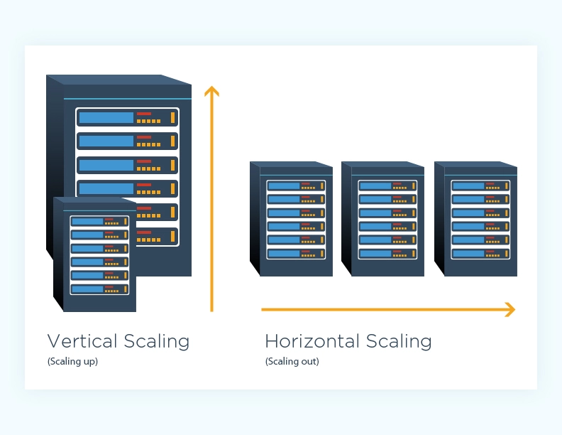

best articals
 | https://www.freecodecamp.org/news/horizontal-vs-vertical-scaling-in-database/
 | https://www.mongodb.com/basics/horizontal-vs-vertical-scaling

Appsmith architecture
Appsmith
 | Frontend | React
 | Backend
 |  | FullDbBackend | Springboot Java
 |  | Relatime service | Express with socketio

Caching logic

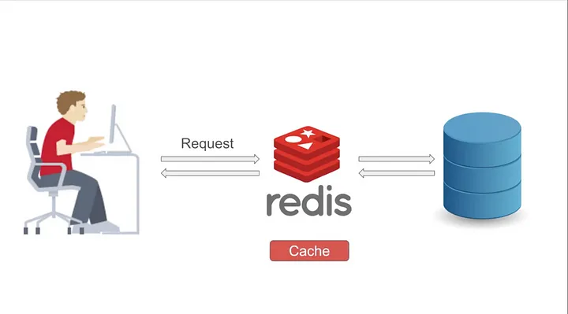

https://medium.com/javarevisited/spring-caching-with-redis-dc1e3bdcc552

Use Session details and user detisla are stored in redis

Big Quries related results stored and served

Appsmith mainly uses for usersession detils

Enabling caching is very easy in spring
adding @ attributes will do the trick
 | https://medium.com/javarevisited/spring-caching-with-redis-dc1e3bdcc552
official spring docs
 | https://docs.spring.io/spring-framework/docs/current/reference/html/integration.html#cache-annotation-enable

user queries for userlist cache is checked if chache there returen it else fill cache and return
userlist not fillled with any new value cache not invalidated so
user2 if asks same query then same data from inmemory database returenedf

Backend structure
 | Repository patter is used\

appwrite
Appwrite is a service similar to Firebase
Architecture
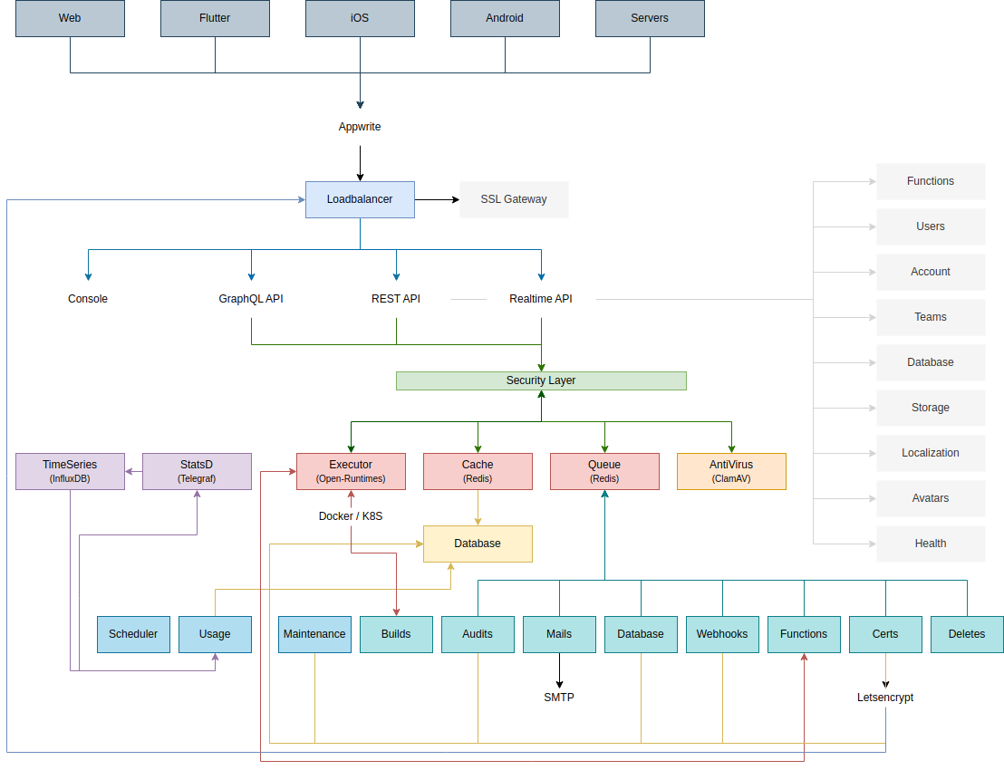

superbase architecture

Sheet4
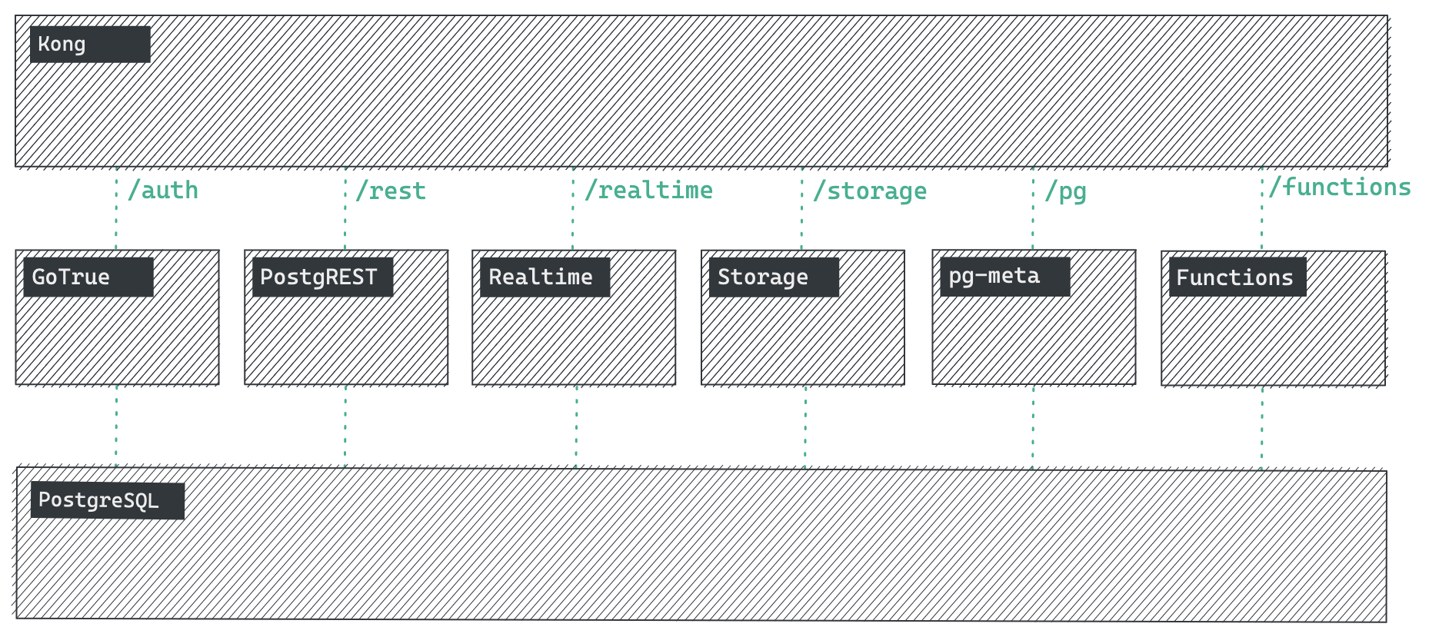

Sheet5
NocoDb
 | Alternative to Airtable

Backend | Express js

 | projects are split as
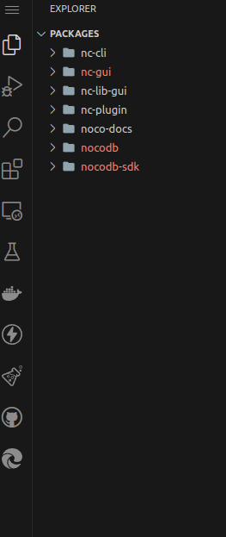

 |  |  | nc-cli for command line tools
 |  |  | nc-gui fronted
 |  |  |  | uses nuxtjs
 |  |  | nc-lib-gui
 |  |  |  | used to shared gui
 |  |  | nc-plugin
 |  |  |  | plugins for external service
 |  |  | ncdb
 |  |  |  | server containing main server
 |  |  | nocodb-sdk
 |  |  |  | sdk to be used by gui's

frontend | Nuxtjs

 | Dependency graph

nocodb
 | backend any
 |  | mysql
 |  | pg
 |  | mssql
 |  | sqlite

 | Redis is session chache
 | socketio live realtime com

